Capacity Calculations
Division of Drinking Water Water System Capacity Calculation Sheet (Last Update 1/30/2014)
 |  |  |  |  |  | Enter the green cells only.

System Name: |  | ABC Water System |  |  |  |  | System Number: | 09999

Convert "Number of other connections" (Cell E9) to ERCs here. [ERCs of other connections = peak day demand of other connections in gal per day / 800 gpd]
1. Indoor Water Use

 | Number of residential connections |  |  | - - - - - - - - - - - | - - - - - - - - - - | - - - - - - - - - | - - - - - - - - - | 400
 | Number of other connections - - - |  |  | 2 |  |  | ERCs of other connections | 55.0 | (Example: water use of 2 factories equals to water use of 55 homes.)
Enter number of non-residential connections, e.g., 2 industrial connections.
.
 |  |  |  |  |  |  | Total Equivalent Residential Connections (ERCs) | 455.0

 | MINIMUM REQUIREMENTS FOR INDOOR WATER USE
 | Source |  | Storage |  | Water Rights
 | Per ERC | Total | Per ERC | Total | Per ERC | Total
 | (gpd/ERC) | (gpm) | (gallons/ERC) | (gallons) | (ac-ft/yr) | (ac-ft/yr)
 | 800 | 252.8 | 400 | 182,000 | 0.45 | 204.75
Enter estimated irrigated acre per residential lot here.
2. Outdoor Water Use

 | Is the drinking water used for outdoor irrigation?
 | Residential ERCs using drinking water for irrigation |  |  |  |  | - - - - - - - - - | - - - > > > | 300
 | Percentage of Residential ERCs using DW for irrigation |  |  |  |  | - - - - - - - - - | - - - > > > | 75% | Map Zones
 | Average irrigated acreage per residential connection |  |  |  |  | - - - - - - - - - | - - - > > > | 0.10 | 1
Enter total irrigated acres of other connections here.
 | Total irrigated acreage of other connections (park, school, etc.) |  |  |  |  | - - - - - - - - - | - - - > > > | 10.00 | 2
(Enter notes here. Check whether and what % of outdoor irrigation is supplied by drinking water.) |  |  |  |  |  |  | Irrigation zone | 3 | 3
Select Irrigated Zone # from the list. See "Irrigation Demands & Map" tab on the bottom of the screen.
 |  |  |  |  |  |  |  |  | 4
 |  |  |  |  |  |  |  |  | 5
 | MINIMUM REQUIREMENTS FOR OUTDOOR WATER USE |  |  |  |  |  |  |  | 6
 | Source |  | Storage |  | Water Rights
 | Per ERC | Total | Per ERC | Total | Per ERC | Total
 | (gpd/ERC) | (gpm) | (gallons/ERC) | (gallons) | (ac-ft/yr) | (ac-ft/yr)
 | 488 | 135.6 | 253 | 101,120 | 0.17 | 66.40

Enter fire flow in gpm.
3. Fire Flow Water Use

 | Does the water system provide fire protection?
 | Maximum fire suppression demand for water system or pressure zone (gpm) |  |  |  |  |  |  | 1,000
 | Maximum fire suppression duration for water system or pressure zone (hours) |  |  |  |  |  |  | 1
 | Required Fire Suppression Storage (gallons) |  |  |  | - - - - - - - - | - - - - - - - - - | - - - > > > | 60,000
Enter duration in hours.
(Verify minimum fire flow and duration with local fire code officials first. Enter notes here, e.g., fire official contact info.)

Water System Capacity Requirements

 | MINIMUM CAPACITY REQUIREMENTS
 | Source (indoor + outdoor) |  | Storage (indoor + outdoor + fire) |  | Water Rights (indoor + outdoor)
 | Per ERC | Total | Per ERC | Total | Per ERC | Total
 | (gpd/ERC) | (gpm) | (gallons/ERC) | (gallons) | (ac-ft/yr) | (ac-ft/yr)
 | 1,288 | 388.4 | 653 | 343,120 | 0.62 | 271.15

Does this system have adequate source capacity (R309-510-7)?
This source capacity assessment is a general overall system calculation. It may not reflect the variations in individual areas or pressure zones.
Linked to Cell I99 below.

Linked to Cell C51 above.
Negative number means: (1) additional source capacity is needed, and (2) insufficient source deficiency points should be assessed.
 |  | Existing Sources: | 400.0 | gpm
 |  | Required Source Capacity: | 388.4 | gpm
 |  | % of Req'd Capacity: | 103.0%
 |  | Difference: | 12 | gpm

Does this system have adequate storage capacity (R309-510-8)?
This storage capacity assessment is a general overall system calculation. It may not reflect the variations in individual areas or pressure zones.
Linked to Cell I118 below.
Linked to Cell E51 above.
Negative number means: (1) additional storage volume is needed, and (2) insufficient storage deficiency points should be assessed.
 |  | Existing Storage: | 305,000 | gal
 |  | Required Storage Capacity: | 343,120 | gal
 |  | % of Req'd Capacity: | 88.9%
 |  | Difference: | -38,120 | gal

Transient Non-Community Water Systems - ERC Calcuation for Indoor Water Use (*See R309-510, Tables 510-1, 2, & 4 for other facility types.)

 |  |  |  | MINIMUM REQUIREMENTS FOR INDOOR USE
 |  |  |  | Source |  | Storage
Facility Type |  |  |  | GPD/person* | Calculated GPD/site or pad | Gallons/person | Gallon/site or pad | ERC/site or pad | # of Sites or pads | ERCs
Modern Recreation Camp |  |  |  | 60 | 240 | 30 | 120 | 0.3 | 8 | 2.4
Semi-Developed Camp w/ flush toilets |  |  |  | 20 | 80 | 10 | 40 | 0.1 | 25 | 2.5
Semi-Developed Camp w/o flush toilets |  |  |  | 5 | 20 | 2.5 | 10 | 0.0 | 20 | 0.5
RV Park |  |  |  | N/A | 100 | N/A | 50 | 0.1 | 15 | 1.9
If applicable, enter number of people per camp site here.
 |  |  | *Number of people per camp site | 4
If applicable, enter this number to Cell I7 or I8.
 |  |  |  | Source (GPD/vehicle) | Storage (Gal./vehicle) | ERC/1000 vehicles served | # of Vehicles served | ERCs
Roadway Rest Stop w/ flushometer valves |  |  |  | 7 | 3.5 | 8.8 | 800 | 7.0

ABC Water System
Projected ERCs Calculation (optional) |  |  |  |  |  | Summary of Water Sources |  |  | (in gallons per minute)
Existing Residential Connections |  |  | 400 |  |  | WS001 | A Spring |  | 150
 |  |  |  |  |  | WS005 | B Well |  | 50
Number of Obligated Future ERCs |  |  | 200 |  |  | WS007 | next town wholesale |  | 200
Example 1 Subdivision |  |  | 60
Example 2 Homes |  |  | 18
Example 3 Estates |  |  | 9
Another Example Place |  |  | 50
Serendipity Stable |  |  | 5
River of No Return |  |  | 46
Rock School |  |  | 12

 |  |  |  |  |  |  |  | Total Source Capacity | 400
 |  |  |  |  |  | Maximum ERCs (assuming indoor use only) |  |  | 720

 |  |  |  |  |  | Summary of Storage Facilities |  |  | (in gallons)
 |  |  |  |  |  | ST001 | South Tank |  | 100,000
 |  |  |  |  |  | ST002 | East Tank |  | 130,000
 |  |  |  |  |  | ST003 | West Tank |  | 20,000
 |  |  |  |  |  | ST004 | North Tank |  | 50,000
 |  |  |  |  |  | ST005 | Middle Tank |  | 5,000

 |  | Total Projected ERCs | 600
If you need to calculate projected future demand & req'ts (including both existing & future residential connections), enter this number to Cell I8 as "Number of residential connection."

(Enter notes here. Click on the "Additional Notes" tab on the bottom of the screen, if additional space is needed.)

 |  |  |  |  |  |  |  | Total Storage Capacity | 305,000
Diaphragm or air pressure tanks shall not be considered effective storage volume for (1) community systems, or (2) NTNC with significant demand.

Irrigation Demands & Map
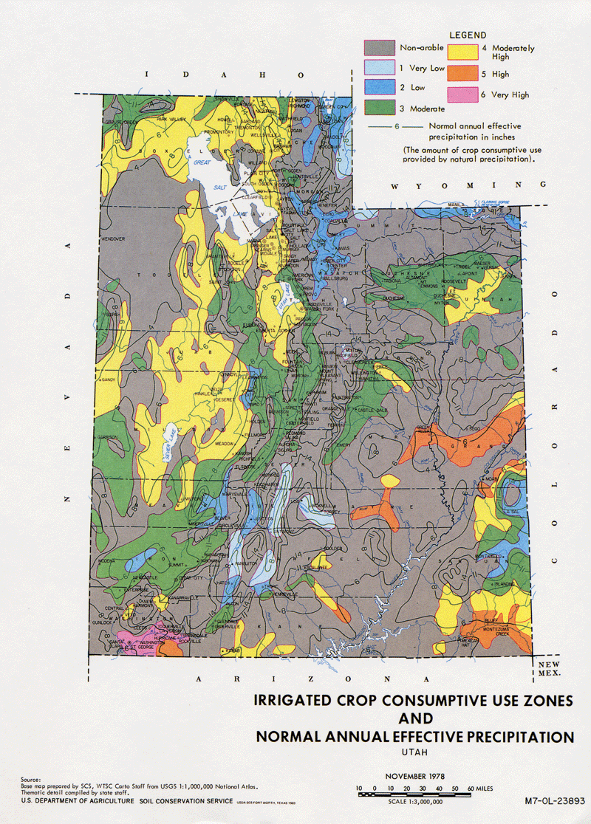
Irrigation Demands & ERCs
(used in calculations on DDW Calculation sheet)

System Name: |  | ABC Water System |  |  | System Number: | 09999

Zone | Peak Day | Avg Year | Storage
 | Demand | Demand | Reqmt
3 | 3.39 | 1.66 | 2,528

IRRIGATION DEMANDS
(to be added to indoor and fire flow demands)
 |  | Avg. Yr. | Storage | Peak
 | Peak Day | (ac-ft/yr | Requirement | Instantaneous
zone | (gpm/irr. ac) | per irr. ac.) | (gal/irr. ac) | (gpm/irr. ac)
1 | 2.26 | 1.17 | 1,782 | 4.52
2 | 2.80 | 1.23 | 1,873 | 5.60
3 | 3.39 | 1.66 | 2,528 | 6.78
4 | 3.96 | 1.87 | 2,848 | 7.92
5 | 4.52 | 2.68 | 4,081 | 9.04
6 | 4.90 | 3.26 | 4,964 | 9.80

